Instructions
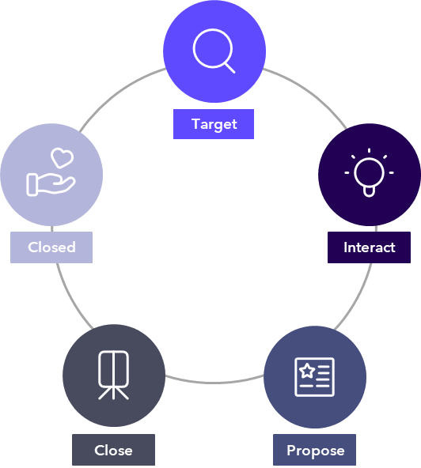
 |  |  | Qualification Tool

 |  |  | Last updated July 2026 | Scyne Advisory Pursuits

The purpose of this document is to provide a quick easy framework to qualify your opportunity initially at Target or Interact phase, and then subsequently once you have made a 'go' decision and are moving to Propose phase.
Save a copy of this tool to your bid drive and change the sharing settings to allow edit access for your bid team.

 |  | Contents | What is it used for?
 | 1 | Early qualification tool | A tool to support early go/no go decision making at Target or Interact phase of a potential opportunity. This checklist is to be completed for every opportunity Scyne wide as part of the new conistent qualification approach. For Deals above $1m, a Deal Review Board approval is needed to proceed, the preparation for which involvs completion of #2 - Improving Successful Outcomes.
 | 2 | Improving Successful Outcomes | A tool to support you as you move into Propose phase to improve successful outcomes. This information needs to be completed in advance of the DRB session, including the short summary of the opportunity and the scoring against the 10 Scyne Milestones.

What you will find in the tabs in this tool | Description and the benefit of using it
0. Qualification
1. Mandatory Governance | The items detailed on this page are mandatory for EVERY proposal (unless labelled as optional).
2. Best practice Pursuit process | The items detailed on this page follow our recommended best practice pursuit methodology. There are links to relevant guidance / templates / tools / resources that will assist you as you mobilise your team, plan and develop your response, set your review gates, finalise and submit your response and pitch to the client.
a. Key milestones | This is your timeline for the Pursuit and should be used to drive your cadence. Dont forget to check in regularly with your team to test and validate the milestones throughout the process.
b. Actions | This is a place to capture all the actions that are allocated, the person responsible and due date, so we can easily track their status throughout the process. Check in on these actions during your cadence to keep everyone accountable.
c. Value proposition | This is a place to capture the key messaging and differentiated value proposition that we will present in our response. Includes some frameworks to consider as you build your value prop (eg. competitor analysis, buyer analysis & hot buttons, issue / action / impact, value statements). Build and agree the value statements as a team early in the process so the content writers are introducing that key messaging throughout the entire response.
d. Clarification questions | This is a place to capture any potential clarification questions to submit to the client. As the bid team and SMEs are reading through the tender documents, ask them to add details of any questions they think of, or any areas where we may need further detail from the client to respond to their requirements. Then as a team agree on which questions we will send off (with consideration given to the clarification process outlined in the tender docs).
e. Section allocations and status | This is a place to capture the alllocation of writing and reviewing responsibilities for each question or section of the response template. Use the Status and % complete columns to show which areas are needing attention so they can be given the necessary priority. Encourage your team to keep this updated and check in on the status during your cadence calls.
f. CV and citation tracker | This is a place to capture the names of the resources we are considering putting forward as part of our response, and the citations that we will leverage to showcase the capabilities of the proposed team. Use this as your 'master list' which will inform many other areas of your response including your team, org / team charts, CVs, summary CVs, personnel matrix, resourcing, experience, experience matrix, price.
g. Assumptions | This is a place to capture any assumptions and exclusions for consideration as you develop your response.

